Sheet1
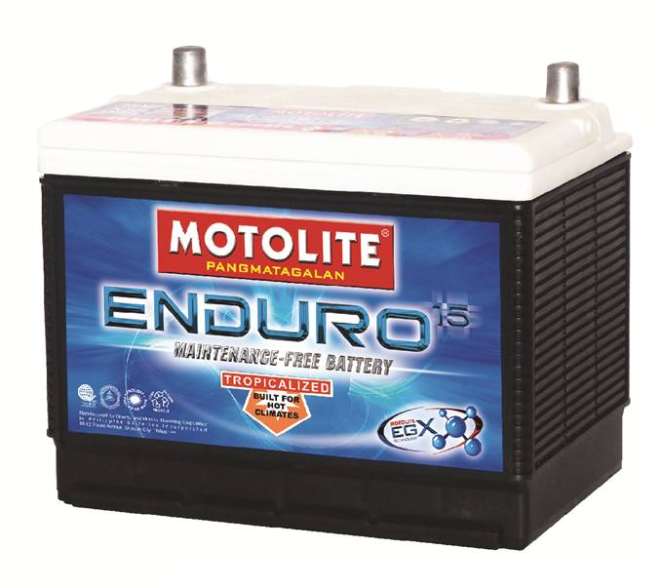
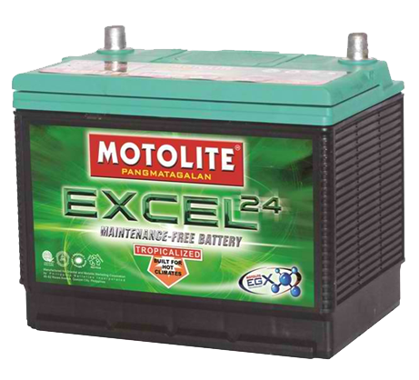
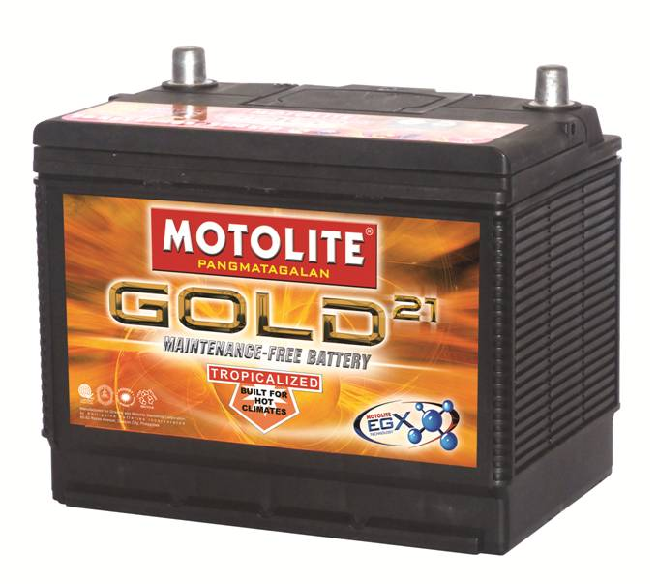
 |  |  |  |  |  |  |  |  | MAINTENANCE FREE BATTERIES
 |  |  |  |  |  |  |  |  | ENDURO
 |  |  |  |  |  |  |  |  | Reliable starting power for everyday drving conditions.

 |  |  |  |  |  |  |  |  | Application and Product Features
 |  |  |  |  |  |  |  |  | ● For normal everyday use vehicles
 |  |  |  |  |  |  |  |  | ● Built for hot climates (Tropicalized
 |  |  |  |  |  |  |  |  | ● EGX technology

 |  |  |  |  |  |  |  |  | EXCEL
 |  |  |  |  |  |  |  |  | For motorists who require uncompromising and long-lasting performance

TYPE |  | VOLTS | AMPERES |  |  | DIMENSIONS (mm) |  |  | Application and Product Features
PABMA | JIS |  | ENDURO | EXCEL | GOLD | L | W | H | ● For ultra-duty vehicle use
B20 | NS40 | 12 |  |  | 35 | 196 | 128 | 198 | ● Recommended for diesel-powered private vehicle, e.g. SUVs, vans and pick-ups
1SN | NS60 | 12 | 42 | 50 | 45 | 230 | 138 | 210 | ● Built for hot climates (Tropicalized
1SM | NS50 | 12 | 50 | 65 | 65 | 233 | 173 | 205 | ● EGX technology
2SM | N50 | 12 | 69 | 68 | 65 | 258 | 171 | 202
3SM | N70 | 12 | 70 | 80 | 75 | 306 | 171 | 202
 |  |  |  |  |  |  |  |  | GOLD
 |  |  |  |  |  |  |  |  | Long-lasting power for high performacne vehicels. Offers widest range of batteries for
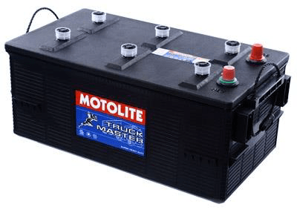
 |  |  |  |  |  |  |  |  | Japanese, Korean, American, and European makes and models

 |  |  |  |  |  |  |  |  | Application and Product Features
 |  |  |  |  |  |  |  |  | ● For heavy-duty vehicle use
 |  |  |  |  |  |  |  |  | ● Recommended for popular Japanese, Korean, American, and European vehicles
 |  |  |  |  |  |  |  |  | ● Built for hot climates (Tropicalized
 |  |  |  |  |  |  |  |  | ● EGX technology

 |  |  |  |  |  |  |  |  | LOW MAINTENANCE BATTERIES
 |  |  |  |  |  |  |  |  | TRUCKMASTER
 |  |  |  |  |  |  |  |  | Specifically designed for demanding trucks, bus, and heavy equipment applications.
 | TYPE |  | VOLTS | AMPERES | EST. DIMENSIONS (mm) |  |  |  | Built tough to withstand extreme heat and vibration
 | PABMA | JIS |  |  | L | W | H
 | 6SM | N100 | 12 | 110 | 392 | 180 | 200 |  | Application
 | 2D | N120 | 12 | 135 | 504 | 181 | 208 |  | ● For heavy-duty use of trucks and buses
 | 4D | N150 | 12 | 160 | 506 | 222 | 208
 | 8D | N200 | 12 | 210 | 526 | 278 | 218

 |  |  |  |  | SPECIAL BATTERIES
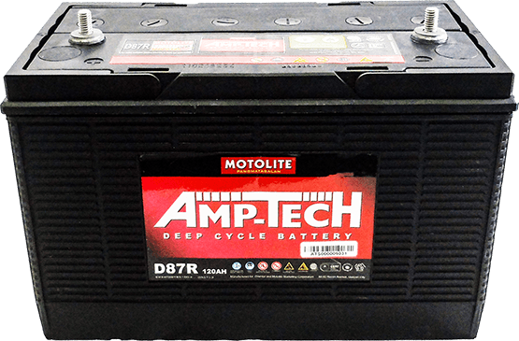
AMP-TECH
Motolite Amp-tech deep cycle battery provides power to electrical accessories such as lights, off-grid energy storage, trolling motors for recreational fishing boats and winches. It is build to provide a low but
steady level of power for a longer period of time.

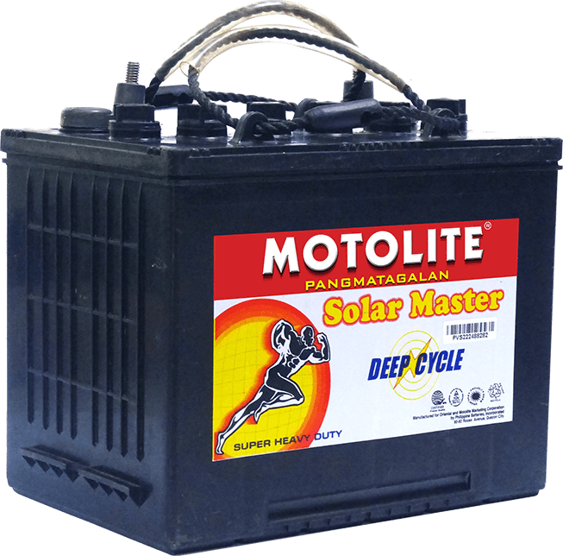

SOLAR MASTER
The Solar Master, Motolite's dedicated deep-cycle solar battery, is designed for solar installations and other applications that require minimal maintenance. It's loaded with all the deep-cycle battery features you could possibly need: long life, low discharge rate, long discharge period and excellent cycling capability.

